Catering request process
CATERING REQUEST PROCESS
Requestor to use the catering request excel spreadsheet to produce a catering quote for the menu you are looking for and submit to Foodservices@norcocollege.edu. (form has a drop down menu and it is linked to the Corral Catering Menu).
Please submit your request at least a week in advance to allow for planning and preparation. Large event caterings might need additional time for planning purposes.
Upon review of your order, food services will provide you with an Event number-E#
Requestor will check galaxy for department budget availability and enter internal requisition in Galaxy.
Requestor will provide requisition number to Food Services to finalize catering order.
Please note: Minimum guaranteed number must be received 72 hours in advance to allow for food preparation. Your order is not confirmed until Food Services receives a requisition number.
Submit a room/space reservation through 25 Live, make sure to add your equipment (resources) needs request at the same time for media equipment, tables, chairs, canopies, etc.)
Note: The corral has the first right of refusal, If the corral can’t meet the group expectations, please e-mail Director, College Business Services Esmeralda Abejar to request approval to bring an outside vendor or to hold your food event outside of Norco College. Thank you for supporting Norco College Food Service Operation.

Catering Menu for Print
The Corral Catering Menu
Food Services Item: | Description | Price | Unit
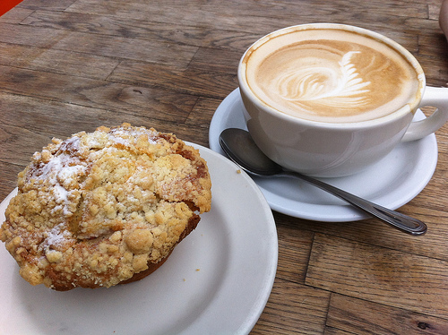 Pricing includes tablecloths, plastic ware
Breakfast Selections
Coffee Break | Freshly brewed coffee, decaf, and a selection of teas. | 1.75 | per person
Mini Continental | An assortment of bakery items, coffee, hot tea and assorted juices | 5.25 | per person
Classic Continental Breakfast | An assortment of bakery items, fresh‐cut seasonal fruit, coffee, hot tea and assorted juices. | 6.95 | per person
Breakfast Burrito | Scrambled eggs with your choice of bacon, sausage or chorizo and shredded cheese in a flour tortilla. Served with salsa, fresh-cut seasonal fruit, coffee, hot tea and assorted juices. | 7.75 | per person
The Country Feast | Scrambled eggs, home-style potatoes, with your choice of bacon, turkey sausage, breakfast pastries, fresh-cut seasonal fruit, coffee, hot tea and assorted juices. | 8.99 | per person
Croissant Egg Sandwich | Scrambled eggs stuffed inside of a large croissant with your choice of ham, turkey sausage or bacon served with fresh cut season fruit, home-style potatoes, coffee, hot tea and assorted juices. | 8.99 | per person
A La Carte (for Breakfast or Anytime) served by the dozen unless noted.
Muffins | Blueberry, Banana, Cinnamon | 12.00 | dozen
Scones | Blueberry, Raspberry White Chocolate, Apple Cinnamon | 18.00 | dozen
Breakfast Bread | Cinnamon, Banana, Blueberry | 9.00 | dozen
Danish Pastries | Variety of flavors | 12.00 | dozen
Bagels with cream cheese and jelly |  | 1.50 | each
Assorted Yogurts |  | 1.50 | each
Yogurt Parfait Cups | Strawberry Or Blueberry with separate granola | 2.50 | each
Whole Fruit | Apple, Orange, Banana, etc. | 1.00 | each
Bottled Juice |  | 2.25 | each
Bottled Water |  | 1.60 | each

Gourmet Luncheon Salads
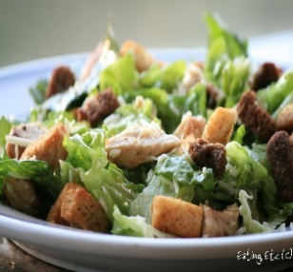 Selections include choice of iced tea, lemonade or fruit punch. All salads can be prepared vegetarian. (Served until 2:00 pm only)
Traditional Chicken Caesar | Romaine lettuce, parmesan cheese, house made croutons with roasted chicken breast and Caesar dressing. | 9.95 | per person
Spinach Salad | Tender spinach, chopped bacon, red onion, hard boiled egg and parmesan cheese with sliced roasted chicken and Italian dressing. | 9.95 | per person
Cobb Salad | Lettuce mix topped with turkey, bacon, crumbled bleu cheese, avocado, black olives, hard boiled egg and tomato. Served with ranch dressing. | 10.95 | per person
Chinese Chicken Salad | Lettuce mix with mandarin orange segments, green onions, sliced almonds, crunchy noodles, sesame seeds, and topped with sliced roasted chicken. Served with a sesame ginger dressing | 10.95 | per person
California Chicken Salad | Roasted, diced chicken on a bed of salad mix with dried cranberries, sliced apples, mandarin oranges, candied walnuts and bleu cheese crumbles. Served with your choice of dressing. | 10.95 | per person
Classice Chef Salad | Lettuce mix with a julienne of turkey, ham and provolone cheese, hard boiled egg, tomato and cucumber. Served with y our choiceof dressing. | 9.95 | per person
Southwestern Chicken Salad | Lettuce mix with a julienne of red pepper, cherry tomatoes, black beans, corn, guacamole and shredded cheese topped with a cirtus chili marinated roasted chicken breast. Served with your choice of dressing. Nacho chips to accompany in lieu of a roll. | 10.95 | per person
Greek Salad with Chicken | Mixed greens with cucumber, red onion, kalamata olives, tomato and feta cheese. Topped with a roasted chicken breast and your choice of dressing. | 9.95 | per person
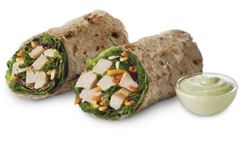
Gourmet Luncheon Sandwiches/Wraps
Selections include house made potato chips or pasta salad, iced tea or lemonade and a freshly baked cookie.
Vegetable Ciabatta | Roasted eggplant, red pepper, red onion with tomato, spinach and chipotle mayonnaise on a ciabatta roll. | 8.25 | per person
Garden Ranch Wrap | Cucumber, chopped tomato, shredded carrot, pepper strips, shredded cheese and spinach in a whole wheat tortila with ranch. | 8.25 | per person
College Club | A sandwich with sliced turkey, bacon, Swiss cheese, lettuce, tomato, avocado and mayonnaise on a ciabatta roll. | 9.25 | per person
Chicken Caesar Wrap | Spinach tortilla wrap filled with a classic chicken Caesar salad and chopped tomato. | 8.95 | per person
Pesto Chicken Wrap | A flavored tortilla with pesto chicken, shredded cheese, roasted red peppers, avocado, tomato and lettuce. | 8.95 | per person
Greek Chicken Wrap | Spinach tortilla with roasted chicken, lettuce, diced cucumbers, Kalamata olives, chopped tomatoes and feta cheese with vinaigrette dressing. | 8.95 | per person
Grilled Chicken Wrap | Roasted chicken, shredded cheese, diced tomato, carrots and lettuce with ranch dressing in a wheat tortilla. | 8.95 | per person
California Chicken Wrap | Roasted chicken, lettuce, diced tomato, black beans, corn and shredded cheese with ranch dressing in a wheat tortilla. | 8.95 | per person
Classic Croissant | A buttery croissant with your choice of: ham and Swiss, turkey and provolone or roast beef and pepper jack cheese topped with lettuce and tomato. Mayonnaise and mustard to accompany. | 8.95 | per person
Box Lunch | A hearty sandwich of your choice on a hoagie roll with a fresh baked cookie, fresh whole fruit and bag of chips packaged in a convenient to-go box. | 7.95 | per person
BBQ Hamburgers/Hot dogs | Your choice of hamburgers or hot dogs, or a combination of both. Comes with lettuce, tomato, pickles, onions,(for the burgers) mustard and ketchup. Served with a choice of pasta salad or green tossed salad, house made potato chips, assorted cookies, and 2 beverages. (Fruit punch, pink lemonade, ice tea) | 9.95 | per person
Gourmet Hot Luncheons (Served until 2:00 pm only) 12 person minimum preferred.
Includes choice of two beverages and assorted cookies or churros for Mexican entrees.
Chicken, Beef or Cheese Enchiladas | Corn tortillas filled with your choice of chicken, beef or cheese and baked in enchilada sauce. Topped with olives and green onions. Served with refried beans and Spanish rice. | 8.95 | per person
Stuffed Baked Potatoes | Stack your favorite toppings into a giant baked russet potato. Toppings include sour cream, whipped butter, green onions, salsa, cheese, bacon bits, broccoli flowerets, and sliced black olives. Served with a tossed green salad and ranch dressing. | 8.95 | per person
Santa Fe Fajitas | Your choice of chicken or beef fajitas. Served with refried beans and Spanish rice, flour or corn tortillas, salsa, sour cream, guacamole, tortilla chips and shredded cheese. | 10.25 | per person
Taco Bar | Seasoned beef or marinated and roasted chicken served with your choice of flour or corn tortillas and salsa. Accompanied by refried beans, Spanish rice, sour cream, lettuce and shredded cheese. | 9.95 | per person
Nacho Bar | Seasoned beef or marinated and roasted chicken served with cripsy tortilla chips, refried beans,nacho cheese, salsa, sour cream, and jalapenos. | 9.25 | per person
Baked Lasagna | Classic Meat or Vegetarian Lasagna. Served with a Caesar salad. Entrée includes garlic bread, freshly baked cookies and a choice of pink lemonade, fruit punch or ice tea to drink. | 11.95 | per person
Penne Chicken Alfredo | Roasted chicken served over penne pasta with Alfredo sauce. Served with a Caesar salad and garlic bread | 11.95 | per person
Kitchen Classic Dinner Menus (12 person minimum preferred)
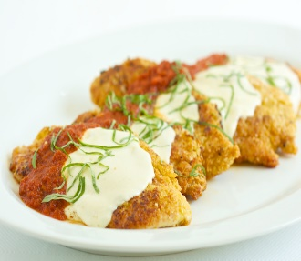 Dinner entrees include rolls and butter. Choice of mixed green salad or Caesar salad. Choice of cookie, brownies, cake squares or cupcakes. and two beverages choose from iced tea, lemonade, punch or coffee. -Substitute New York Cheesecake with berry topping for an additional $2.95 per person.
Herb Roasted Chicken | Quarter baked chicken seasoned with herbs and spices. Served with rice pilaf and seasonal vegetables. | 13.95 | per person
BBQ Chicken | Quarter baked chicken basted with BBQ sauce. Served with scalloped potatoes and seasonal vegetables. | 13.95 | per person
Chicken Marsala | Boneless chicken breast sautéed with masala wine and mushrooms. Served over pasta with seasonal vegetables. | 13.50 | per person
Chicken Parmesan | Breaded chicken breast topped with marinara sauce and mozzarella cheese baked to perfection. Served over pasta with seasonal vegetables. | 13.50 | per person
Rosemary Chicken | Roasted boneless chicken breast marinated in rosemary, lemon, garlic and spices. Served with wild rice and seasonal vegetables. | 13.50 | per person
Chicken Teriyaki | Roasted bonless chicken breast marinated in teriyaki sauce, served with pineapple, steamed rice and season vegetables. | 13.50 | per person
Broiled Tri-Tip | Seasoned and thinly sliced. Served au jus with mashed potatoes and seasonal vegetables. | 14.95 | per person
Themed Buffets (12 person minimum preferred)
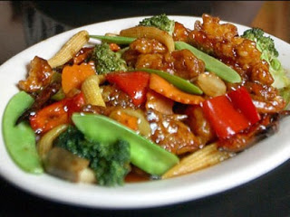 Perfect for hearty lunches or dinner. Choose two beverages: iced tea, lemonade, punch or coffee.
New York Deli | Build your own deli sandwiches with assorted deli meats and cheeses. With all the "fixins" including sandwich bread and rolls, lettuce, onion, tomato slices and pickle chips. We also include house made chips, pasta salad, and assorted cookies. | 10.95 | per person
La Fiesta | Your choice of two entrees: Chicken or Beef Fajitas, Cheese Enchilada Casserole, Chicken or Beef Tacos or Tostadas. Accompanied by refried beans and Spanish rice, tortilla chips & salsa, lettuce, shredded cheese, guacamole and assorted cookies. | 13.75 | per person
Country Cooking | BBQ Chicken Quarter and Roasted Tri Tip with au jus. Baked beans, corn cobbettes, mixed green salad with ranch dressing, rolls and butter. Apple pie for dessert. | 15.25 | per person
Taste of Italy | Your choice of two entrees: Lasagna-Beef or Vegetable, Pasta with Italian Meatballs and Marinara, Penne Chicken Alfredo, Marinara Sauce and Pasta, Italian Sausage and Pasta, Roasted Vegetable Pomodoro and Pasta. Served with Caesar salad and house made croutons, garlic breadstick, fresh seasonal vegetables. Choice of brownies or assorted cookies. | 13.95 | per person
Pacific Rim | Your choice of two entrees: Teriyaki Chicken, Beef and Broccoli, Orange Chicken, Tofu Stir Fry, Chicken and Vegetable stir fry. Served with fruit salad, steamed rice, seasonal vegetables, mini eggrolls with sweet and sour sauce and brownies. | 13.95 | per person
Pizza Party (4 person minimum) | In-house made cheese pizzas cut into 8 slices with assorted toppings, mixed green salad with ranch dressing, cookies and two beverages. | 8.50 | per person
Additional Pizza Toppings | Pepperoni, sausage, peppers & onions, ham, pineapple, mushrooms or olives. | 1.50 | each
Finger Foods and Appetizers
Choose from a delectable assortment in the items below for our combos.
Marinated & Roasted Vegetable Platter | Two items per person | 5.95
Mini Eggrolls with Sweet & Sour Dip | Three items per person | 6.95
Chicken Skewers | Four items per person | 8.95
Potstickers with Plum Glaze | Five items per person | 11.95
Meatballs (BBQ, Sweet & Sour, Or Italian) | Six items per person | 13.95
Stuffed Mushrooms | Seven items per person | 15.95
Shrimp Ceviche with Chips
Chips with salsa and guacamole
Tomato Bruschetta
Hot & Spicy buffalo wings
House-made Hummus and Pita Chips
Party Platters (12 person minimum preferred)
Seasonal Fruit Tray |  | 3.00 | per person
Gourmet Cheese & Crackers |  | 3.00 | per person
Shrimp Ceviche with Chips |  | 5.95 | per person
Vegetable Patch Crudité & Dip |  | 2.25 | per person
Assorted meats and cheese with Crakers |  | 3.75 | per person
Mini Pinwheels: Vegetarian, Vegan or Turkey ( 2 Per Person) |  | 2.25 | per person
Mini Croissant Sandwiches (2 Per Person) | Turkey, Ham, Roast Beef, Vegetarian. | 4.50 | per person
Assorted Deli Wrap Platter |  | 4.95 | per person
Assorted Deli Sandwich Platter | Turkey, Ham, Roast Beef, Vegetarian. | 4.95 | per person
Antipasto Platter |  | 2.95 | per person
Exhibition Stations (For 25 or more people) |  | 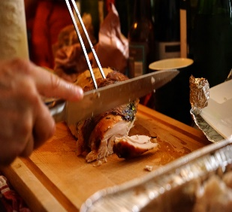
Carving Stations | *Slow roasted beef with au jus, horseradish sauce & mini rolls. *Roasted turkey with cranberry sauce & mini rolls. *Citrus glazed ham with mustard & mini rolls. *Roasted pork loin with apple sauce & mini rolls. | 4.50 | per person
Bakery (by the dozen)
Cookies | Chocolate Chip, Oatmeal Raisin, Sugar, Peanut Butter, White Chocolate Macadamia & Double Chocolate Chip | 7.25 | Dz.
Brownies | Unfrosted, no nuts | 12.00 | Doz.
Muffins | Blueberry, banana, and cinnamon | 12.00 | Doz.
Cupcakes | Cake-Chocolate, white, yellow, chocolate chip. Icing-Chocolate, white, chocolate chip. (Sprinkles & Colors available upon request). | 7.25 | Doz.
Cake Squares | Cake-Chocolate, white, yellow, chocolate chip. Icing-Chocolate, white, chocolate chip. (Sprinkles & Colors available upon request). | 7.25 | Doz.
Rice Krispy Treats |  | 8.00 | Doz.
Lemon Bars |  | 9.00 | Doz.
Sides & Miscellaneous |  | 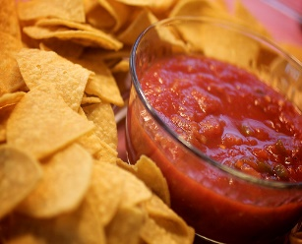
Pasta Salad |  | 2.00 | per serving
Mixed Green Salad |  | 2.00 | per serving
Caesar Salad |  | 2.25 | per serving
Chips & Salsa |  | 2.25 | per serving
Whole Cheese Pizza |  | 8.00 | per pizza
Additional Toppings |  | 1.50 | each
Beverages (One gallon serves 16)
Iced Tea | Unsweetened: Black, or Sweet Raspberry | 10.25 | Gal.
Punch | Red Fruit Punch | 8.50 | Gal.
Lemonade | Pink | 8.50 | Gal.
Orange/Cranberry/Apple Juice | Gallon serves 16 | 12.00 | Gal.
Coffee/Decaf |  | 12.00 | Gal.
Bottled Water |  | 1.60 | Each
Bottled Soda |  | 1.85 | Each
Bottled Juice |  | 2.25 | Each
Dispensers of Ice Water |  | 0.00
Pitchers of Ice Water |  | 0.00
Other
Upward Bound |  | 6.00 | Each
Additional Charge | Misc. charge | 0.50 | Each
Additional Charge | Misc. charge | 1.00 | Each
Additional Charge | Misc. charge | 1.50 | Each
Additional Charge | Misc. charge | 2.00 | Each
Additional Charge | Misc. charge | 3.00 | Each
Additional Charge | Misc. charge | 4.00 | Each
Additional Charge | Misc. charge | 5.00 | Each
Additional Charge | Misc. charge | 6.00 | Each

